Summary
NIEM 3.0 Attributes based on DHS EM Data Conceptual Modal
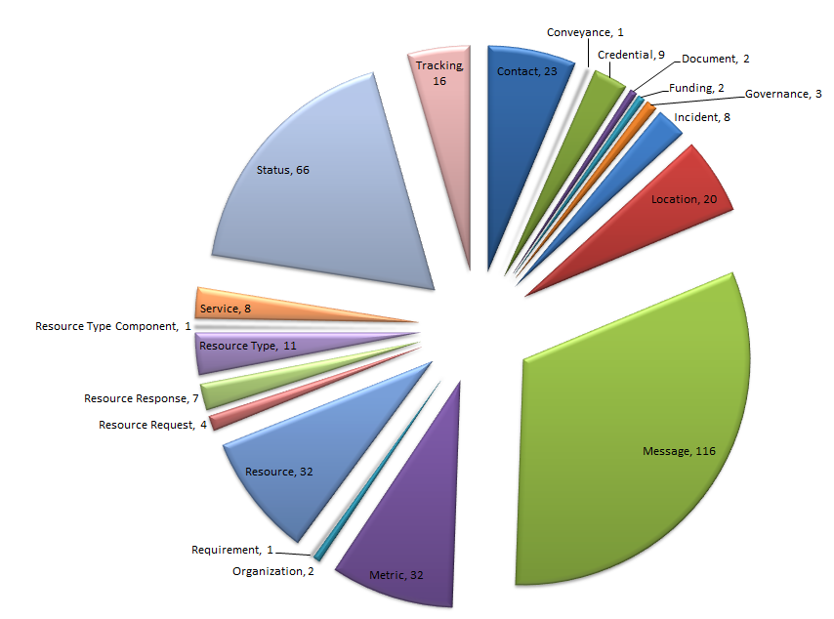
NIEM EM 3.0
Type of Attributes | Count
Elements | 295
ComplexTypes | 57
SimpleTypes | 12
Total | 364

